solution 1,2 and 3
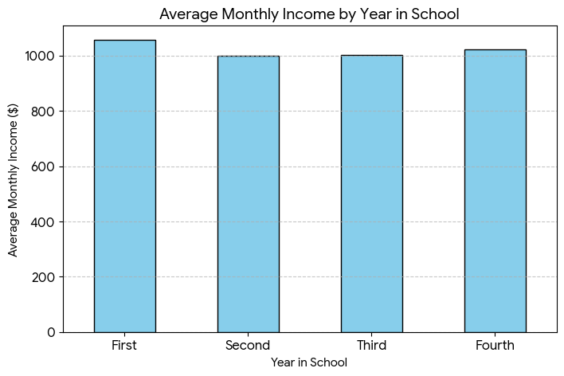
1.Create a bar chart showing the average Monthly Income by Year in School. What trend do you observe?
Average Monthly Income by Year in School
Year in School | Avg Monthly Income
First | 1057.0988142
Second | 998.77235772
Third | 1002.5101215
Fourth | 1021.8972332
Trend: Income is highest in the first year and slightly lower in following years.

2.Design a pie chart to represent the distribution of total spending across categories (Housing, Food, Transportation, Entertainment, etc.). Which category has the highest share?
Distribution of Total Spending Across Categories
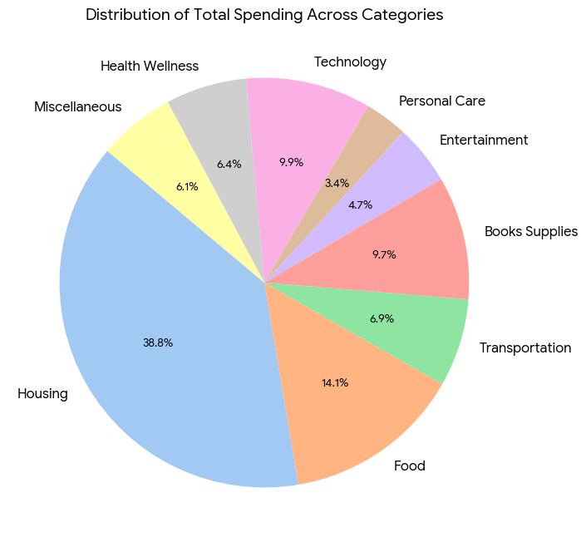
 | Total Spending Sum
Housing | 695037
Food | 252490
Transportation | 124257
Books Supplies | 174559
Entertainment | 84633
Personal Care | 60503
Technology | 177743
Health Wellness | 114245
Miscellaneous | 108747
Highest Share: Housing has the highest share.

3. Create a scatter plot between Total Income and Total Spending. Is there a positive correlation between income and spending?
Total Income vs Total Spending Correlation
Correlation: -0.0004
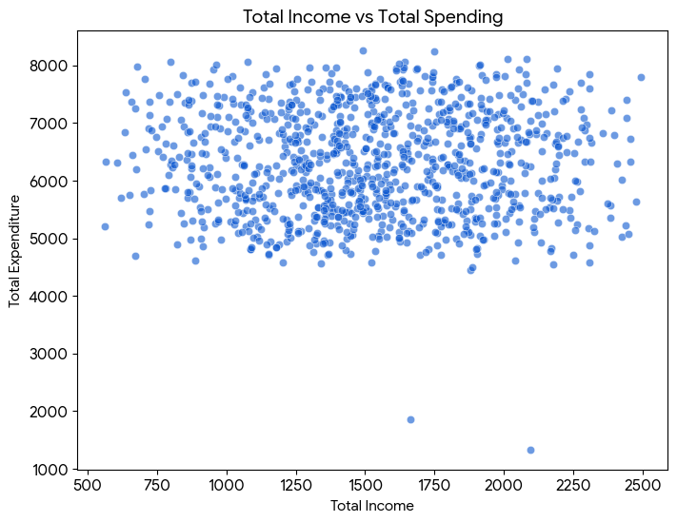
Insight: No significant correlation found between income and spending.

solution 4,5and 6
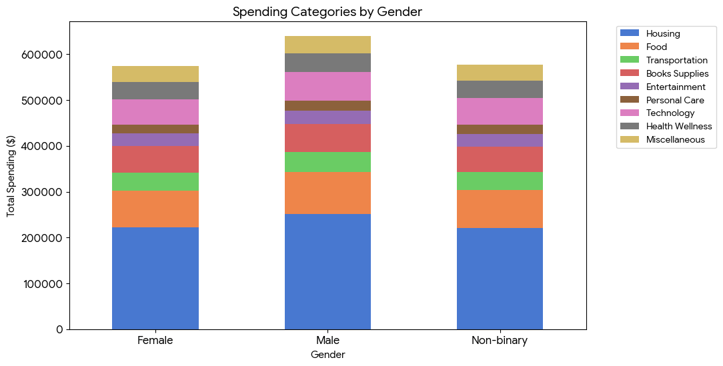
4. Develop a stacked bar chart comparing spending categories (Housing, Food, Technology, etc.) by Gender. Which gender spends more on Technology?
Spending Categories by Gender
Gender | Housing | Food | Transportation | Books Supplies | Entertainment | Personal Care | Technology | Health Wellness | Miscellaneous
Female | 221741 | 79849 | 40517 | 57662 | 27553 | 19663 | 55390 | 37017 | 34938
Male | 251961 | 90736 | 44251 | 60884 | 29225 | 21276 | 63764 | 40170 | 38103
Non-binary | 221335 | 81905 | 39489 | 56013 | 27855 | 19564 | 58589 | 37058 | 35706

Result: Male students spend the most on Technology.

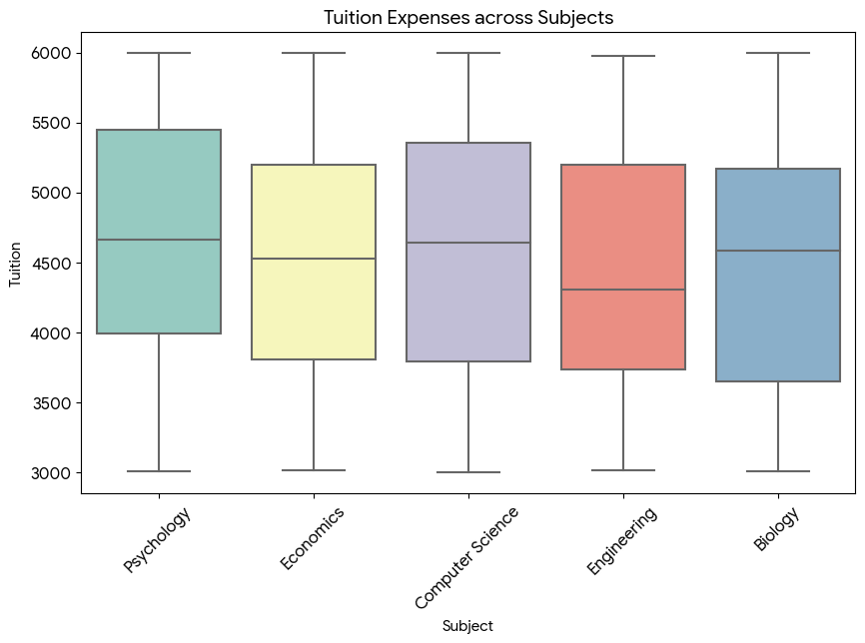
5.Create a box plot for Tuition expenses across different Subjects. Which subject has the highest variation in tuition fees?
Tuition Expenses Variation across Subjects

Subject | count | mean | std | min | 25% | 50% | 75% | max
Biology | 226 | 4459.3893805 | 875.62504846 | 3004 | 3652.25 | 4585.5 | 5168.5 | 6000
Computer Science | 192 | 4553.9895833 | 891.89703694 | 3003 | 3791.25 | 4639.5 | 5354.75 | 5997
Economics | 204 | 4504.9558824 | 834.10196127 | 3014 | 3805.5 | 4527 | 5197 | 5998
Engineering | 191 | 4438.1465969 | 841.25784862 | 3015 | 3732 | 4305 | 5197 | 5976
Psychology | 184 | 4661.625 | 850.26051657 | 3007 | 3992.5 | 4661.5 | 5450 | 5997

Result: Computer Science has the highest variation in tuition fees.

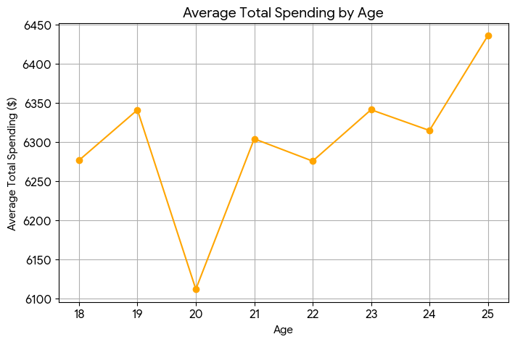
6.Build a line chart showing the relationship between Age and Total Spending. Does spending increase with age?
Age and Total Spending Relationship

Age | Avg Total Spending
18 | 6276.7741935
19 | 6341.25
20 | 6111.8018018
21 | 6304.2372881
22 | 6275.7674419
23 | 6341.4453125
24 | 6314.9117647
25 | 6436.1793103
Result: Spending does not strictly increase with age; it fluctuates around $6k.

solution 7,8 and 9
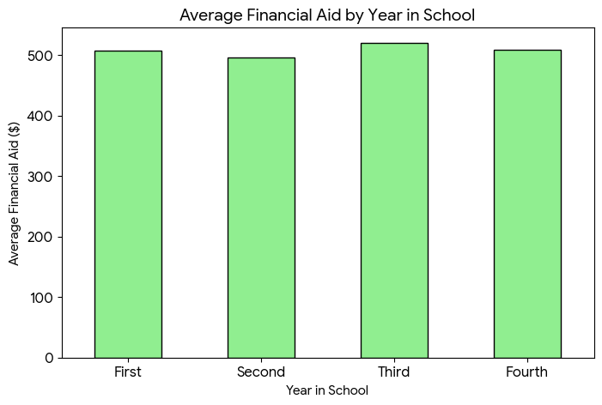
7.Create a bar chart to compare Financial Aid received by students in different Years in School. Which year receives the highest average financial aid?
Financial Aid by Year in School
Year in School | Avg Financial Aid
First | 506.90909091
Second | 496.17886179
Third | 520.30769231
Fourth | 509.05928854
Result: Third-year students receive the highest average financial aid.

8. Design a dashboard that displays: Total Income, Total Spending, Average Monthly Income ,Most Preferred Payment Method ,What insights can you derive from the dashboard?
Dashboard Summary
 | Total
Cash | 309
Credit/Debit Card | 340
Mobile Payment App | 350
 | Values
Total Income | 1526920
Total Spending | 6298838
Average Monthly Income | 1020.3243243
Most Preferred Payment Method | Mobile Payment App

Insight: Tuition is the major cost driver. Mobile payments are the preferred method.

9.Create a column chart comparing Preferred Payment Method usage across Gender. Which payment method is most popular overall?
Preferred Payment Method by Gender
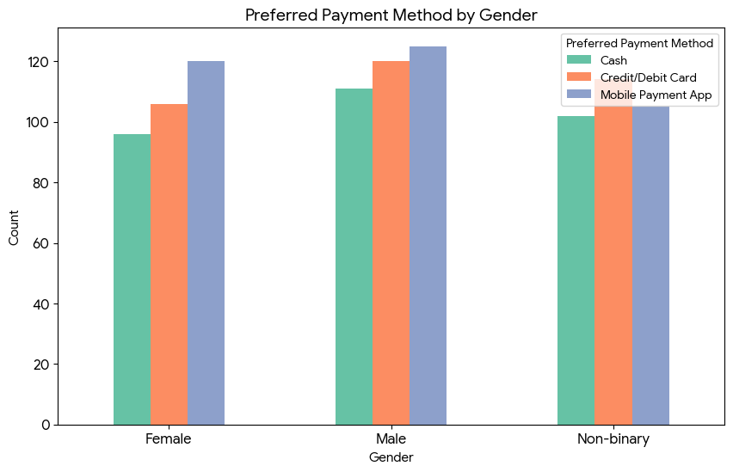
Gender | Cash | Credit/Debit Card | Mobile Payment App
Female | 96 | 106 | 120
Male | 111 | 120 | 125
Non-binary | 102 | 114 | 105

Result: Mobile Payment App is the most popular overall.

solution 10
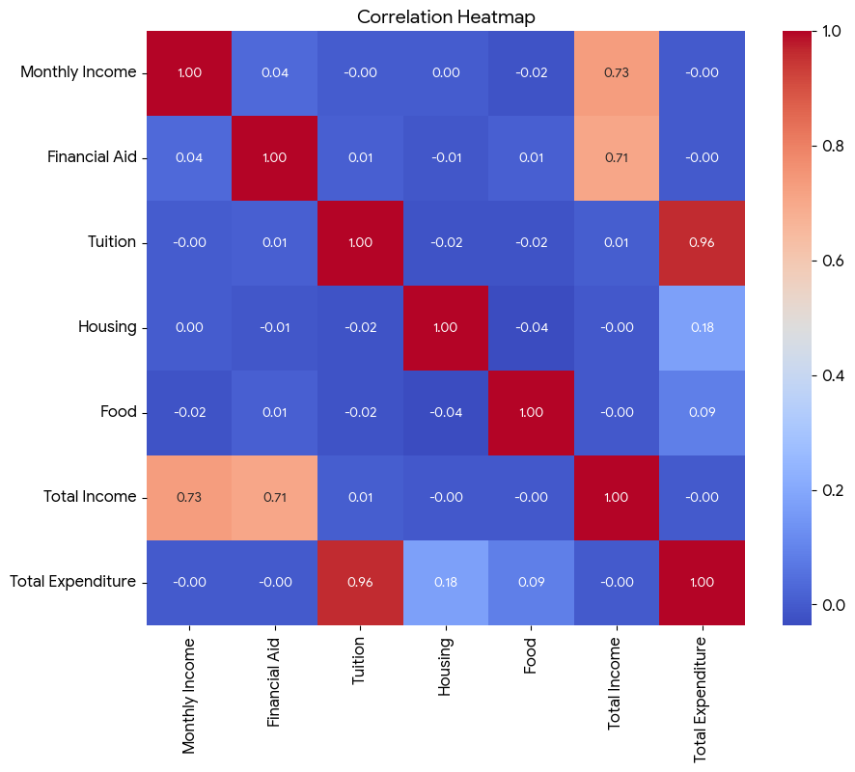
10. Develop a heatmap showing correlation between numerical variables (Monthly Income, Financial Aid, Tuition, Housing, Food, Total Income, Total Spending). Which two variables show the strongest relationship?
Correlation between Numerical Variables
 | Monthly Income | Financial Aid | Tuition | Housing | Food | Total Income | Total Expenditure
Monthly Income | 1 | 0.035253743283 | -7.1681092913E-05 | 0.0027067324745 | -0.017259479409 | 0.73120927931 | -0.00014008140072
Financial Aid | 0.035253743283 | 1 | 0.011638761435 | -0.0093913067283 | 0.011065502488 | 0.70750703458 | -0.00042462876946
Tuition | -7.1681092913E-05 | 0.011638761435 | 1 | -0.017778990143 | -0.019107113249 | 0.0078887252211 | 0.9632018021
Housing | 0.0027067324745 | -0.0093913067283 | -0.017778990143 | 1 | -0.036557138159 | -0.0044962399441 | 0.1773730955
Food | -0.017259479409 | 0.011065502488 | -0.019107113249 | -0.036557138159 | 1 | -0.0046519065624 | 0.085020063695
Total Income | 0.73120927931 | 0.70750703458 | 0.0078887252211 | -0.0044962399441 | -0.0046519065624 | 1 | -0.00038890002569
Total Expenditure | -0.00014008140072 | -0.00042462876946 | 0.9632018021 | 0.1773730955 | 0.085020063695 | -0.00038890002569 | 1

Result: Tuition and Total Expenditure show the strongest relationship.

